Sheet1
 | Document No. | Issue No. | Issue Date |  |  | Review and Replace Date |  | Authorised By
 | GFF394MC | 1 | 14.08.2023 |  |  | New Issue |  | Magda Shah
 | Document Title | Chicken Balti with Pilau Rice 400g

Document amendments reason for change | New Launch |  | Page 1 of 1 |  | Previous Issue Date |  | New Issue | Uncontrolled copy unless signed original

CCBAR1-R4TCC(N) | GAZEBO CUISINE | Chicken Balti with Pilau Rice 400g
STEP 1 |  |  |  | STEP 2
 |  |  |  | 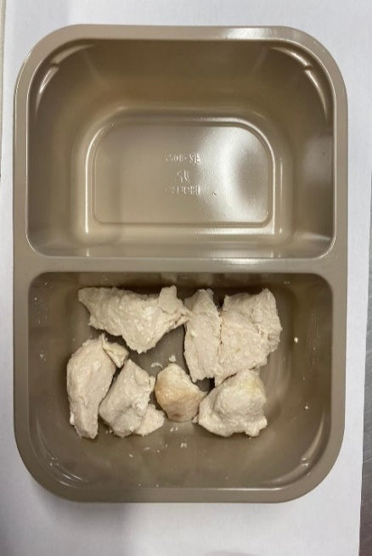
Chicken to be brought into H/R on day of packing

Tray: EVOLVE CPET 2200-2F(PKRHP001-10) |  |  |  | 20-25mm Steam Cooked Diced Chicken (RMVES001-01): 60g

Film: K peel 7G+25A/f- 275mm (275 mmX1000)(PKKMP001-03)

STEP 3 |  |  |  | STEP 4
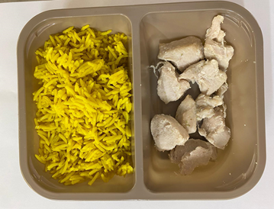 |  |  |  | 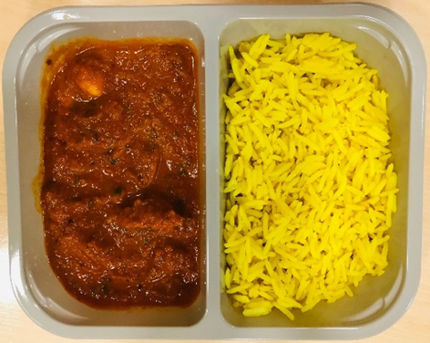

Pilau Rice (GFF143R): 180g |  |  |  | Balti Sauce(GFF333R): 160g
 |  |  |  | TOTAL WEIGHT: 400g
ALLERGY ALERT: MILK, MUSTARD

